실행
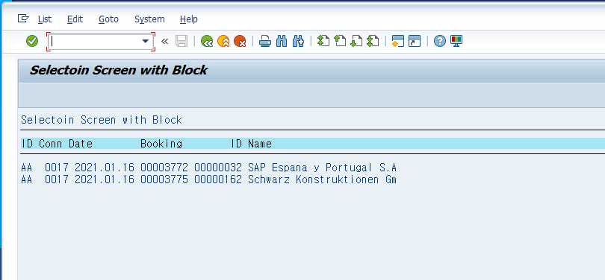
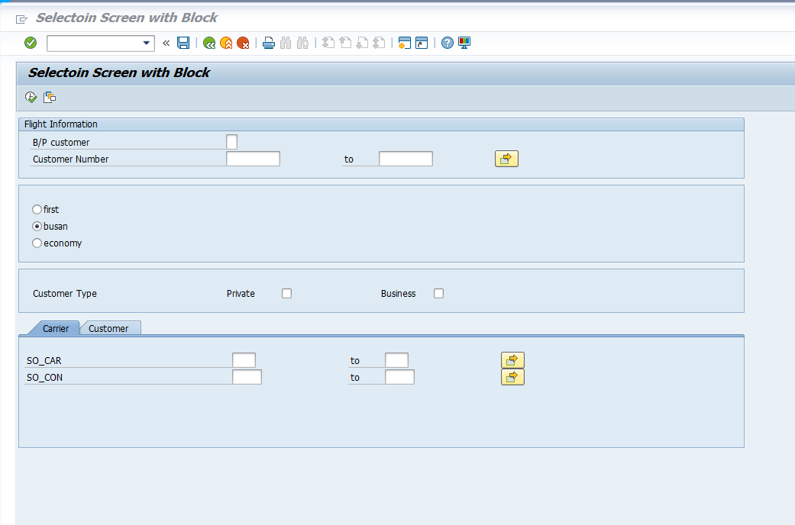

B/P 선택하고 나서 두 번째 탭 스트릭 선택할 수 있음
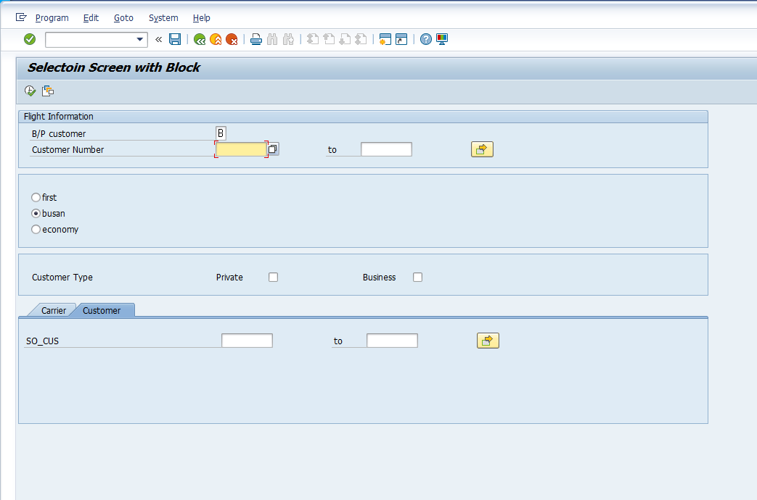

만약 비워져있는데 두 번째 탭 클릭하면 아래와 같은 메시지 출력됨

B만 입력하고 실행하면 아래와 같이 표 보여짐

